Cross Sectional Data
Group Project

1) | Cross Sectional Data
 | Country | Region | Income Group | CDBP |  | Low Income | Lower Middle Income | Upper Middle Income | High Income
 | Uganda | Sub-Saharan Africa | Low income | 21.56988 |  | 21.56988 | 11.76965 | 11.60062 | 10.44864
 | Rwanda | Sub-Saharan Africa | Low income | 11.34474 |  | 11.34474 | 10.87155 | 17.69963 | 10.75382
 | Mozambique | Sub-Saharan Africa | Low income | 17.60476 |  | 17.60476 | 7.019607 | 9.321664 | 8.460247
 | Liberia | Sub-Saharan Africa | Low income | 28.66018 |  | 28.66018 | 5.403235 | 12.52351 | 8.236175
 | Guinea | Sub-Saharan Africa | Low income | 7.451177 |  | 7.451177 | 7.780539 | 10.5934 | 11.8516
 | Ethiopia | Sub-Saharan Africa | Low income | 7.852519 |  | 7.852519 | 10.67097 | 18.33099 | 8.982943
 | Zambia | Sub-Saharan Africa | Lower middle income | 11.76965 |  |  | 6.183316 | 9.5197 | 12.43606
 | Ukraine | Europe & Central Asia | Lower middle income | 10.87155 |  |  | 15.78285 | 7.330489 | 11.35452
 | Tanzania, United Republic Of | Sub-Saharan Africa | Lower middle income | 7.019607 |  |  | 35.47381 | 17.67765 | 14.2648
 | Sri Lanka | South Asia | Lower middle income | 5.403235 |  |  | 2.277125 | 11.76605 | 23.71286
 | Senegal | Sub-Saharan Africa | Lower middle income | 7.780539 |  |  | 7.313214 | 8.240962 | 6.496956
 | Philippines | East Asia & Pacific | Lower middle income | 10.67097 |  |  |  | 14.57681 | 11.41274
 | Pakistan | South Asia | Lower middle income | 6.183316 |  |  |  | 14.37208 | 11.00421
 | Nigeria | Sub-Saharan Africa | Lower middle income | 15.78285 |  |  |  | 15.2202 | 7.039577
 | Nicaragua | Latin America & Caribbean | Lower middle income | 35.47381 |  |  |  | 0
 | Nepal | South Asia | Lower middle income | 2.277125 |  |  |  | 21.69795
 | India | South Asia | Lower middle income | 7.313214 |  |  |  | 6.823855
 | Turkey | Europe & Central Asia | Upper middle income | 11.60062 |  |  |  | 34.7304
 | Thailand | East Asia & Pacific | Upper middle income | 17.69963 |  |  |  | 10.95928
 | South Africa | Sub-Saharan Africa | Upper middle income | 9.321664
 | Serbia | Europe & Central Asia | Upper middle income | 12.52351
 | Russian Federation | Europe & Central Asia | Upper middle income | 10.5934
 | Romania | Europe & Central Asia | Upper middle income | 18.33099
 | Peru | Latin America & Caribbean | Upper middle income | 9.5197
 | Panama | Latin America & Caribbean | Upper middle income | 7.330489
 | North Macedonia, Republic Of | Europe & Central Asia | Upper middle income | 17.67765
 | Montenegro | Europe & Central Asia | Upper middle income | 11.76605
 | Moldova, Republic Of | Europe & Central Asia | Upper middle income | 8.240962
 | Mexico | Latin America & Caribbean | Upper middle income | 14.57681
 | Mauritius | Sub-Saharan Africa | Upper middle income | 14.37208
 | Malaysia | East Asia & Pacific | Upper middle income | 15.2202
 | Lebanon | Middle East & North Africa | Upper middle income | 0
 | Kazakhstan | Europe & Central Asia | Upper middle income | 21.69795
 | Jordan | Middle East & North Africa | Upper middle income | 6.823855
 | Guyana | Latin America & Caribbean | Upper middle income | 34.7304
 | China | East Asia & Pacific | Upper middle income | 10.95928
 | United States | North America | High income | 10.44864
 | United Kingdom | Europe & Central Asia | High income | 10.75382
 | Taiwan, China | East Asia & Pacific | High income | 8.460247
 | Switzerland | Europe & Central Asia | High income | 8.236175
 | Sweden | Europe & Central Asia | High income | 11.8516
 | Spain | Europe & Central Asia | High income | 8.982943
 | Slovenia | Europe & Central Asia | High income | 12.43606
 | Slovakia | Europe & Central Asia | High income | 11.35452
 | Singapore | East Asia & Pacific | High income | 14.2648
 | Saudi Arabia | Middle East & North Africa | High income | 23.71286
 | Qatar | Middle East & North Africa | High income | 6.496956
 | Portugal | Europe & Central Asia | High income | 11.41274
 | Poland | Europe & Central Asia | High income | 11.00421
 | Oman | Middle East & North Africa | High income | 7.039577
ii)
>>> | The above data provides information about Capacity of banking systems to absorb increases in Non-Performing Loans (NPL's).
>>> | The data is collected from World Bank Data Catalog and can be accessible using following link :
 | https://datacatalog.worldbank.org/search/dataset/0061111/World-Development-Report-2022---Chapter-2-Figures
>>> | In the above data, CDBP acts like a metric used to assess the resilience of a banking system to increases in non-performing loans (NPLs).
 | It essentially estimates how much NPLs can increase before a bank's capital buffer is depleted, potentially triggering a financial crisis.

 | Country: Names of different countries around the world.
 | Region: Geographic regions to which each country belongs, categorized into different groups like Sub-Saharan Africa, Europe & Central Asia, South Asia, etc.
 | Income Group: Economic classification of countries based on their income levels, including Low income, Lower middle income, Upper middle income, and High income.
 | Consolidated distance to break point: This appears to be a numerical variable, possibly continuous, representing a specific economic measure or index for each country.

>>> | The types of variables included in the dataset are:
 | Categorical variables: Region and Income Group
 | Numerical variable: Consolidated distance to break point (CDBP)
>>> | The scales of measurement for these variables are:
 | Nominal scale: Country, Region, and Income Group
 | Ratio scale: Consolidated distance to break point

iii)

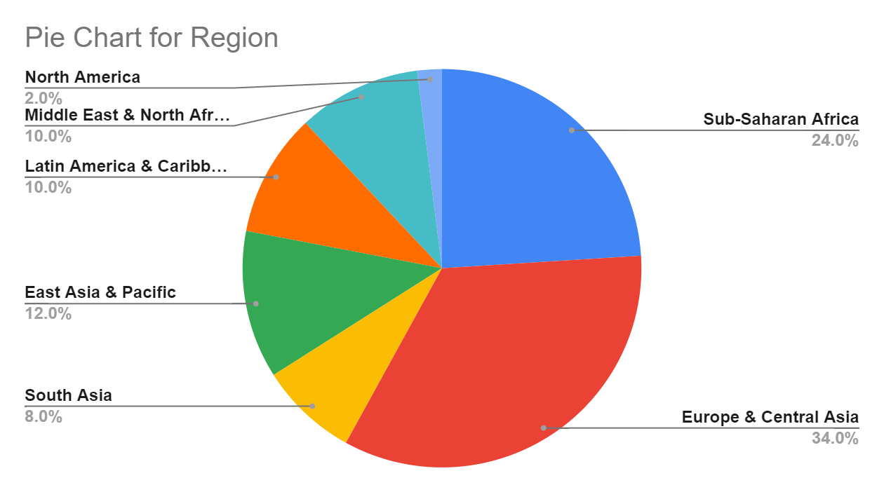
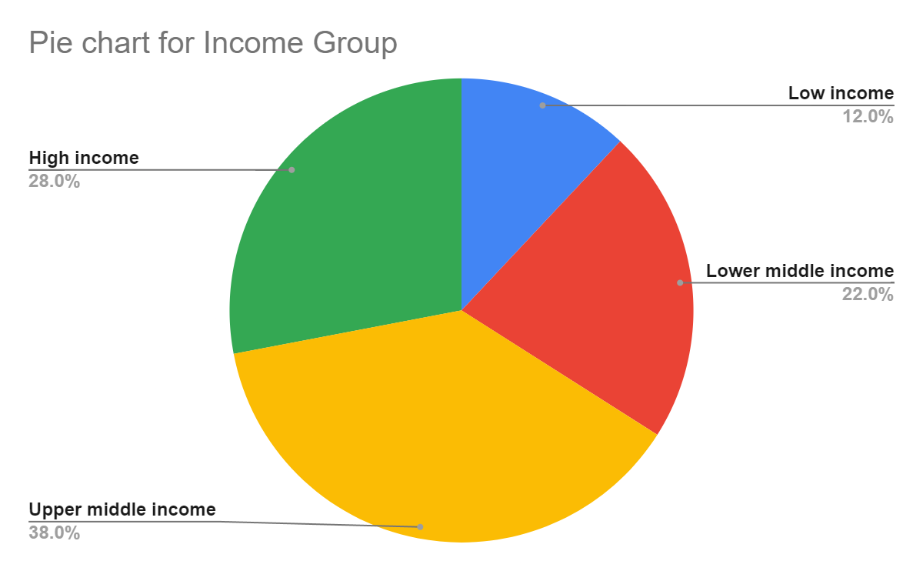
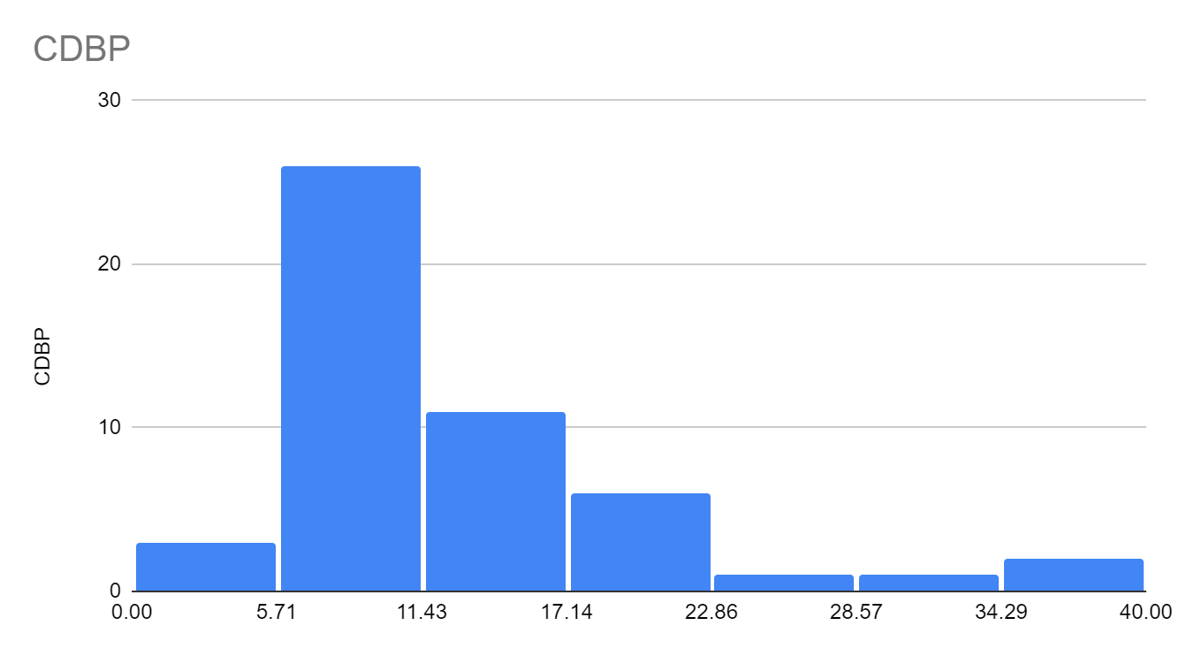

 | VARIABLES | Overall CDBA |  | Low income | Lower middle income | Upper middle income | High income

 | Mean | 12.4893902 |  | 15.747209333 | 10.958715091 | 13.315012632 | 11.175367714
 | Median | 10.981745 |  | 14.47475 | 7.780539 | 11.76605 | 10.879015
 | Range | 35.47381 |  | 21.209003 | 33.196685 | 34.7304 | 17.215904
 | Variance | 49.642527303 |  | 70.926164755 | 79.295502249 | 51.605956082 | 17.647174846
 | SD | 7.0457453334 |  | 8.4217673178 | 8.9048022015 | 7.183728564 | 4.2008540614
 | Minimum | 0 |  | 7.451177 | 2.277125 | 0 | 6.496956
 | Q1 | 7.948433 |  | 8.72557425 | 6.6014615 | 9.420682 | 8.590921
 | Q2 | 10.981745 |  | 11.34474 | 7.5468765 | 12.14478 | 11.00421
 | Q3 | 14.5256275 |  | 20.368615 | 10.67097 | 15.2202 | 8.404229
 | Maximun | 35.47381 |  | 28.66018 | 35.47381 | 34.7304 | 23.71286

 | The Low Income countries have the highest mean and median incomes among the segments, generally elevated income levels on average within this lower-earning.
 | However, the Low Income countries and Lower Middle Income countries groups exhibit much wider ranges between minimum and maximum earners. Their larger standard deviations also point to higher income inequality and larger disparity.
 | High Income countries majority of earners situated closely around median and within upper/lower quartile bounds
 | Inequality appears among both Low Income countries as well as Lower Middle Income countries households while Upper Middle countries and High Income countries exhibit much more equitable income spreads

Count of Income Group | Column Labels
Row Labels | High income | Low income | Lower middle income | Upper middle income | Grand Total
East Asia & Pacific | 2 |  | 1 | 3 | 6
Europe & Central Asia | 8 |  | 1 | 8 | 17
Latin America & Caribbean |  |  | 1 | 4 | 5
Middle East & North Africa | 3 |  |  | 2 | 5
North America | 1 |  |  |  | 1
South Asia |  |  | 4 |  | 4
Sub-Saharan Africa |  | 6 | 4 | 2 | 12
Grand Total | 14 | 6 | 11 | 19 | 50

Association

1. There appears to be a strong association between being in Sub-Saharan Africa and being classified as low income, as all low-income countries in this dataset are from that region.

2. Europe & Central Asia have a higher concentration of high-income and upper middle income countries (8 out of 17), indicating a possible association between this region and higher economic status.

3.The distribution of income groups across regions suggests geographical patterns in economic classification, with certain regions like Sub-Saharan Africa and South Asia having lower income levels, while Europe & Central Asia, and North America tend towards higher income levels.

Probabilities
1. P(Low Income): The probability that a randomly selected country from this dataset is classified as low income is 6/50.

2. P(Sub-Saharan Africa): The probability that a country is in Sub-Saharan Africa is 12/50.

3. P(Low Income | Sub-Saharan Africa): The probability that a country is low income given that it is in Sub-Saharan Africa is 6/12.

4. P(Sub-Saharan Africa | Low Income): The probability that a country is in Sub-Saharan Africa given that it is low income is 6/6 = 1

 | This indicates that all low-income countries in this dataset are from Sub-Saharan Africa.

Done By
 | Ruthwik Reddy
 | Tanvi
 | Vibhuti
 | Nithik Roshan
 | Abdoulie

Time Series Data
2) | Time-Series Data
 | Bitcoin close value and volume over the year 2021- 2023
 | Date | Close | Volume | Volume Category
 | 2021-08-01 | 47166.69 | 1.01E+12 | Very High
 | 2021-09-01 | 43790.89 | 1.10E+12 | Very High
 | 2021-10-01 | 61318.96 | 1.15E+12 | Very High
 | 2021-11-01 | 57005.43 | 1.05E+12 | Very High
 | 2021-12-01 | 46306.45 | 9.57E+11 | High
 | 2022-01-01 | 38483.13 | 9.24E+11 | High
 | 2022-02-01 | 43193.23 | 6.71E+11 | Medium
 | 2022-03-01 | 45538.68 | 8.31E+11 | Medium
 | 2022-04-01 | 37714.88 | 8.30E+11 | Medium
 | 2022-05-01 | 31792.31 | 1.11E+12 | Very High
 | 2022-06-01 | 19784.73 | 9.24E+11 | High
 | 2022-07-01 | 23336.9 | 9.28E+11 | High
 | 2022-08-01 | 20049.76 | 8.94E+11 | High
 | 2022-09-01 | 19431.79 | 1.12E+12 | Very High
 | 2022-10-01 | 20495.77 | 9.58E+11 | High
 | 2022-11-01 | 17168.57 | 1.22E+12 | Very High
 | 2022-12-01 | 16547.5 | 5.41E+11 | Low
 | 2023-01-01 | 23139.28 | 6.91E+11 | Medium
 | 2023-02-01 | 23147.35 | 7.24E+11 | Medium
 | 2023-03-01 | 28478.48 | 8.83E+11 | High
 | 2023-04-01 | 29268.81 | 5.12E+11 | Low
 | 2023-05-01 | 27219.66 | 4.43E+11 | Low
 | 2023-06-01 | 30477.25 | 4.82E+11 | Low
 | 2023-07-01 | 29230.11 | 3.82E+11 | Low
 | 2023-08-01 | 25931.47 | 4.38E+11 | Low
 | 2023-09-01 | 26967.92 | 3.38E+11 | Low
 | 2023-10-01 | 34667.78 | 4.76E+11 | Low
 | 2023-11-01 | 37712.75 | 5.71E+11 | Medium
 | 2023-12-01 | 42265.19 | 7.22E+11 | Medium

Introduction and Description of Dataset
The data is a time series dataset that includes monthly close price of a Bitcoin.
Bitcoin, launched in 2009, is a digital currency and payment system independent of central banks. It uses cryptography for security and operates on a decentralized ledger called the blockchain

Data Source
The data is collected from Yahoo Finance and can be accessible using following link :
https://finance.yahoo.com/quote/BTC-USD

Economic Meaning

1) Closing Price (Close): The closing price is crucial for investors and analysts as it reflects the final value at which the market has valued the asset for that particular day. It is used to assess the overall market sentiment and make investment decisions.

2) Volume: Trading volume is an important indicator of market activity. High trading volume may indicate increased interest and liquidity, while low volume may suggest reduced interest or lack of market participation.

3) Volume Category: Categorizing volume into different levels provides a quick overview of the intensity of market activity. It can be indicative of market trends and potential changes in investor sentiment.

Types of variables and Scales of measurement

Close:
Type: This is a continuous numerical variable representing the closing prices of stocks.
Scale of Measurement: Ratio scale. It has a true zero point, and the differences and ratios between values are meaningful.

Volume:
Type: This is a continuous numerical variable representing the trading volume of stocks.
Scale of Measurement: Ratio scale. Similar to the "Close" variable, it has a true zero point, and the differences and ratios between values are meaningful.

Volume Category:
Type: This is a categorical variable representing the categories of trading volume.
Scale of Measurement: Nominal scale. Categories have no inherent order or ranking.
Line Chart of Close
Volume vs Date

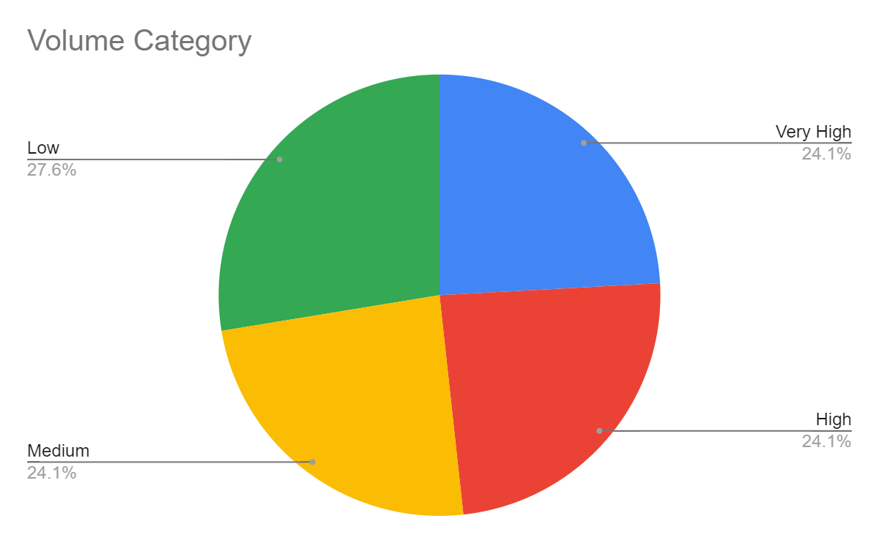

 | VARIABLES | Close | Volume

 | Mean | 32676.955862 | 7.90E+11
 | Median | 29268.81 | 8.31E+11
 | Range | 44771.46 | 8.87E+11
 | Variance | 141486379.83 | 6.8253163194E+22
 | SD | 11894.804741 | 2.6125306351E+11
 | Minimum | 16547.5 | 3.38E+11
 | Q1 | 23147.35 | 541357000000
 | Q2 | 29268.81 | 830944000000
 | Q3 | 42265.19 | 957903000000
 | Maximun | 61318.96 | 1.22E+12

1. The distribution of close prices appears to be somewhat positively skewed, as the mean is higher than the median
2. There are significant variations in both close prices and volume, as evidenced by the large standard deviations and variances.
Overall, the price of the bitcoin is more volatile.

